sql
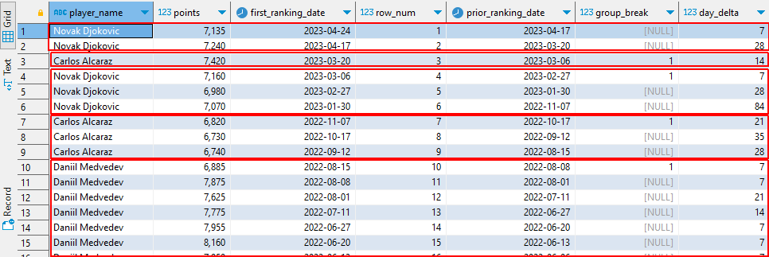
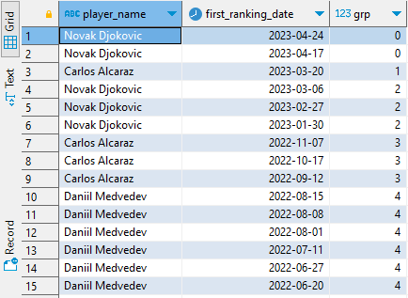
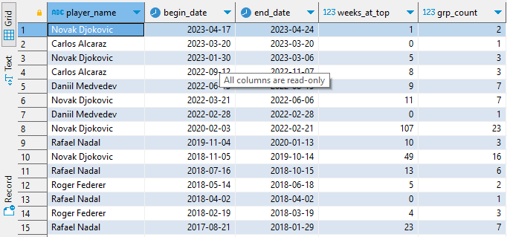
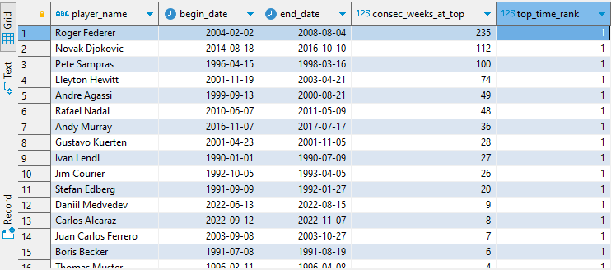
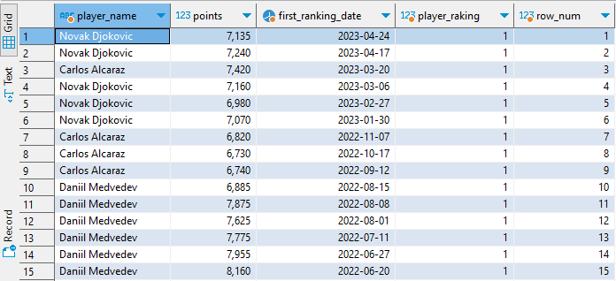
with c_top_ranked as
(
select
plr.name_first ||' '|| plr.name_last as player_name
,rnk.points
,min(rnk.ranking_date) as first_ranking_date
,rnk."rank" as player_raking
,dense_rank () over (order by first_ranking_date desc) as row_num
from tennis.atp_rankings rnk
inner join tennis.atp_players plr on rnk.player_id = plr.player_id
WHERE 1=1
and rnk.points is not null
and player_raking = 1
group by
player_name
,player_raking
,rnk.points
)
,c_days_at_the_top as
(
select
tr.player_name
,tr.points
,tr.first_ranking_date
,tr.row_num
,lag(tr.first_ranking_date, -1) over (order by tr.row_num) as prior_ranking_date
,case when lag(tr.player_name) over (order by tr.row_num) != tr.player_name then 1 end as group_break
,datediff( 'day', (lag(tr.first_ranking_date, -1) over (order by tr.row_num)), tr.first_ranking_date ) as day_delta
from c_top_ranked tr
)
,c_consecutive_groups as
(
select
tp.player_name
,tp.first_ranking_date
,count ( group_break or null) over (order by tp.first_ranking_date desc) as grp
from c_days_at_the_top tp
)
,c_consecutive_weeks_at_top as
(
select
cgrp.player_name
,min (first_ranking_date) as begin_date
,max (first_ranking_date) as end_date
,datediff ('week', (min (first_ranking_date)), (max (first_ranking_date)) ) as weeks_at_top
,count (*) as grp_count
from c_consecutive_groups cgrp
group by
cgrp.player_name
,cgrp.grp
)
select
wk_top.player_name
,begin_date
,end_date
,max (wk_top.weeks_at_top) as consec_weeks_at_top
,dense_rank() over (partition by wk_top.player_name order by max (wk_top.weeks_at_top) desc) as top_time_rank
from c_consecutive_weeks_at_top wk_top
group by
wk_top.player_name
,begin_date
,end_date
qualify
top_time_rank = 1
order by
consec_weeks_at_top desc
;

